Hiearchy View
CLASS: TREE
a woody perennial plant, typically having a single stem or trunk growing to a considerable height and bearing lateral branches at some distance from the ground. |  | 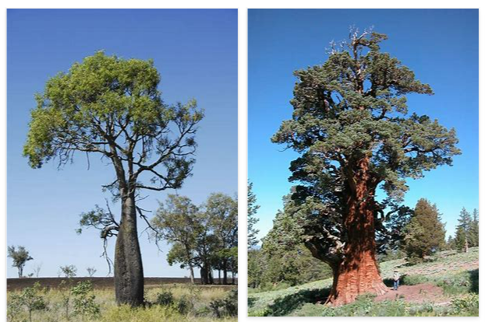
REMOVE | N

PROBLEM_DESC | CAUSE_DESC | REMEDY_DESC
BROKEN/DAMAGED
OTHER PROBLEM
PESTS
SMELL
STOPPED/SLOWED/POOR OPS
Grand Total

